Dashboard

Monthly Progress Report - February 2026

Project Start Date
Timeline Status
Cost Status
Poured Concrete
Steel Purchase
Safe Hours
Quality Test Failed
Support Required

01-January-2026
On Time
Under Budget
3300 m3
220 MT
700 Hours
0
As on date no escalation required from client side.

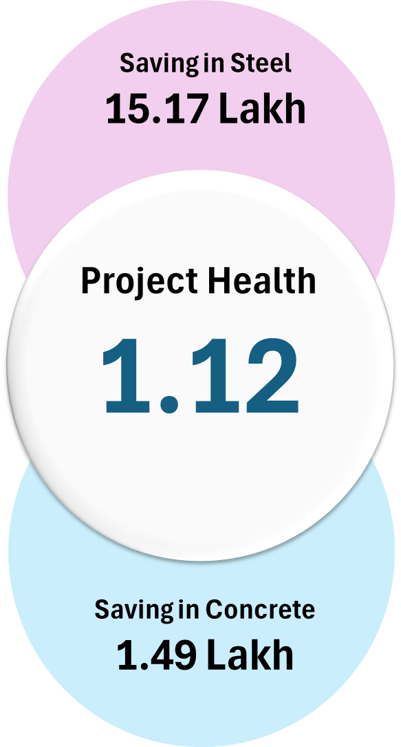
Projet Milestone Update
Monthly Quality Update
Project CPI Ratio

72% Completed
93.33% Quality Rate
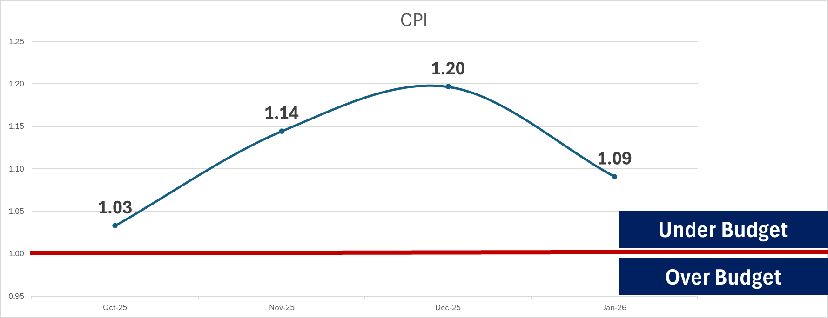

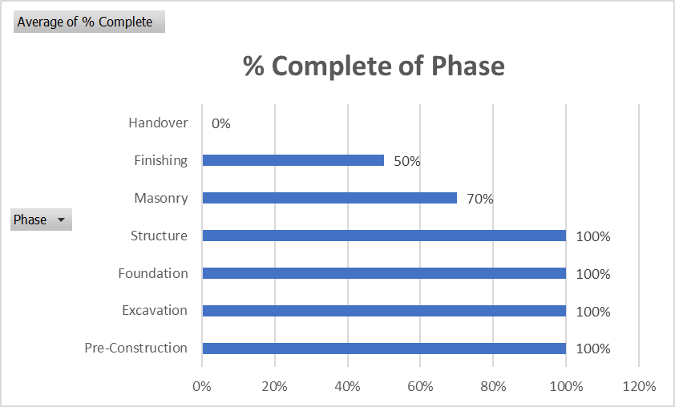
No of Delayed Activites
 | Total
Block Work | 0
Column RCC | 30
Excavation Work | 1
Final Inspection | 0
Flooring | 0
Footing RCC | 3
PCC Work | 0
Plastering | 0
Site Mobilization | 0
Slab Casting | 21

 | Site Observation Success Rate | 86.67%

 | Site Instruction Success Rate | 93.33%

 | Non Conformity Success Rate | 100.00%

Monthly Planned Vs. Actual

Monthwise Cashflow Update

INR - CURRENCY
 | Planned Budget (EXCLUDING GST) | Actual Work Done (EXCLUDING GST) | Planned Budget (EXCLUDING GST) Cumulative | Actual Work Done (EXCLUDING GST) Cumulative
Oct-25 | ₹ 6,485,619.23 | ₹ 5,650,000
Nov-25 | ₹ 8,564,401.23 | ₹ 6,735,532 | ₹ 15,050,020 | ₹ 12,385,532
Dec-25 | ₹ 5,975,619.23 | ₹ 4,993,250 | ₹ 21,025,640 | ₹ 17,378,782
Jan-26 | ₹ 5,975,619.23 | ₹ 4,930,000 | ₹ 27,001,259 | ₹ 22,308,782
Feb-26 | ₹ 5,975,619.23 | ₹ - | ₹ 32,976,878
Mar-26 | ₹ 5,975,619.23 | ₹ - | ₹ 38,952,497
Apr-26 | ₹ 5,975,619.23 | ₹ - | ₹ 44,928,117
May-26 | ₹ 5,975,619.23 | ₹ - | ₹ 50,903,736
Jun-26 | ₹ 5,975,619.23 | ₹ - | ₹ 56,879,355
Jul-26 | ₹ 5,975,619.23 | ₹ - | ₹ 62,854,974
Aug-26 | ₹ 5,975,619.23 | ₹ - | ₹ 68,830,594
Sep-26 | ₹ 5,975,619.23 | ₹ - | ₹ 74,806,213
Oct-26 | ₹ 5,975,619.23 | ₹ - | ₹ 80,781,832
Nov-26 | ₹ 5,975,619.23 | ₹ - | ₹ 86,757,451
Dec-26 | ₹ 5,975,619.23 | ₹ - | ₹ 92,733,070
Jan-27 | ₹ 5,975,619.23 | ₹ - | ₹ 98,708,690
Feb-27 | ₹ 5,975,619.23 | ₹ - | ₹ 104,684,309
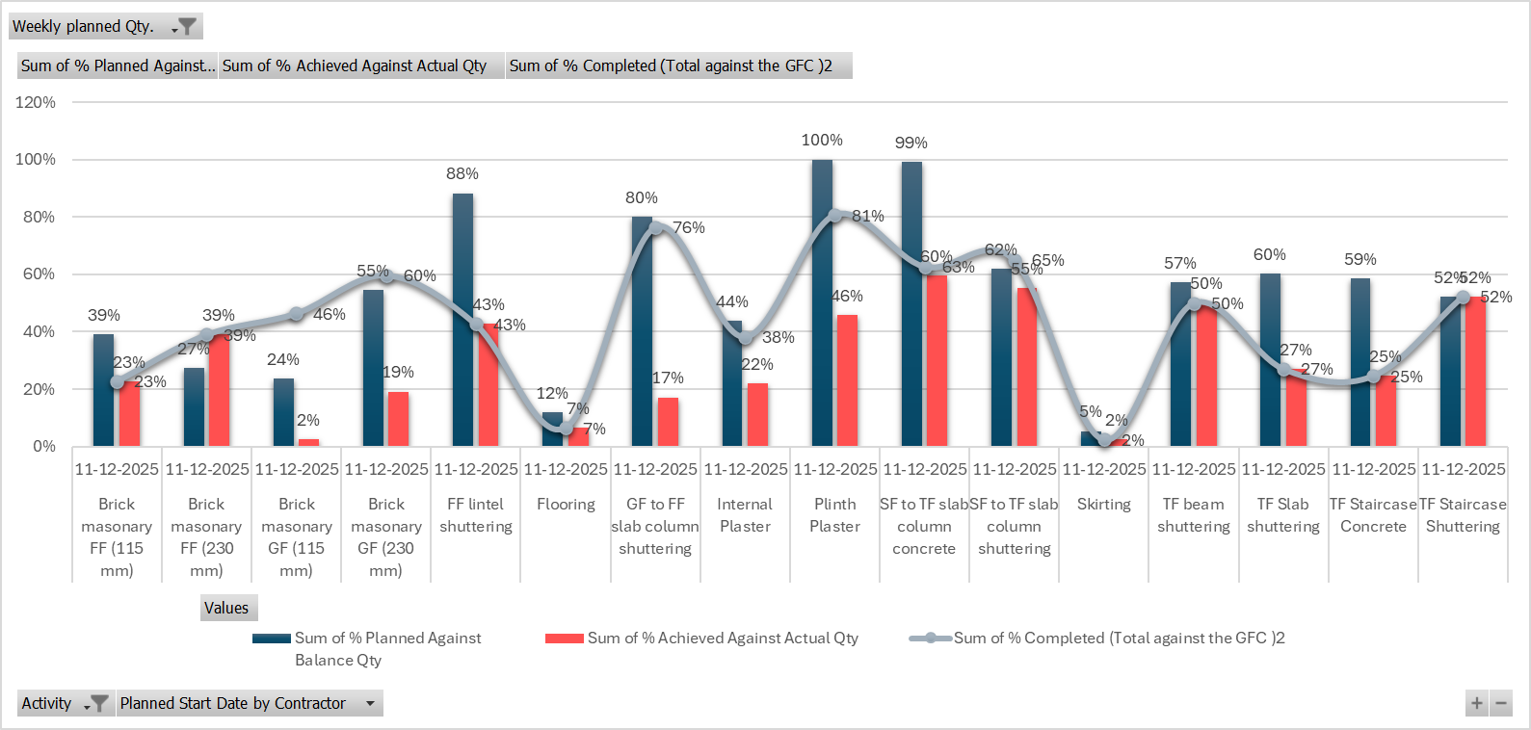

Monthly Progress

Cube Test
Sample # | Compressive strength at 7 days | IS code lower limit
1 | 19.07 | 17
2 | 23 | 17
3 | 22.24 | 17
4 | 18.03 | 17
5 | 18.24 | 17
6 | 19.16 | 17

COMPRESSIVE STRENGTH RESULTS OF M25 GRADE OF ONCRETE

Organization Chart
